Import
©2025, Washington Alto. All rights reserved
Import | 0
Heart Class Definition | 0 | Lookup_Color | Lookup_LineStyle
 |  | Color | Line Style | Alpha
 |  | Blue | - | 0
Fancy Heart color | Red | Green | -- | 0.2
FancyHeart Fill | TRUE | Red | -. | 0.4
FancyHeart Line Style | - | Cyan | : | 0.6
FancyHeart Alpha | 0.4 | Magenta |  | 0.8
Fancy Heart Title | Red Heart With Fill | Yellow |  | 1
Fancy Heart instance |  | Black
 |  | White

Static Heart Figure
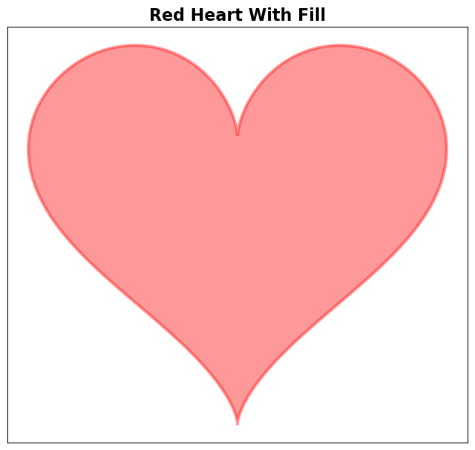
Options
Color | Red
Fill | TRUE
Line Style | -
Alpha | 0.4

